TECHNICAL SHEET GARMENT
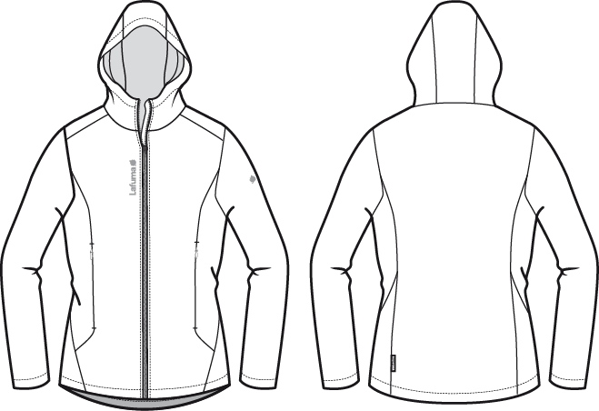
 |  |  | TECHNICAL SHEET GARMENT |  | WINTER 2018/19
LFV11494 (10844 FW17/18) |  | LD MACHABY SOFTSHELL |  |  | INDEX | VI BULK
DATE | 2020-01-03 |  | DEVELOPPER: | Marjorie | SUPPLIER : |  | PRIMA CHANNEL
FABRICS : DT-1598 / DRYTEX

JKT COUNTER SAMPLE
 |  | COUNTER SAMPLE |  |  |  |  |  |  | WINTER 2018/19
LFV11494 (10844 FW17/18) |  |  | LD MACHABY SOFTSHELL |  |  |  |  |  | INDEX | VI BULK
DATE | 2020-01-03 |  |  | DEVELOPPER: | Marjorie |  |  |  | SUPPLIER : |  | PRIMA CHANNEL

 | MEASUREMENTS TAKEN ON FINISH PRODUCT |  |  |  |  | 銷樣 |  | 大貨
MEASUREMENTS IN CM |  |  |  |  | ALLOWANCES | Measures to follow for making BULK SIZE M | SMS measures Ruby Red the 02/01/2018 | Measures to follow for BULK
FRONT JACKET MEASUREMENTS (IN CM)
B | FRONT BREADTH AT 13CM FROM SHOULDER POINT NECKLINE |  |  | 上胸寬(領肩點下13cm) | +/- 0,5 cm | 38 | 37 | 38 | -1
C | 1/2 CHEST ROUND |  |  | 1/2胸圍(腋點量) | +/- 1 cm | 51.5 | 51.5 | 51.5
D | 1/2 WAIST ROUND AT 42 CM FROM SHOULDER POINT NECKLINE |  |  | 1/2腰圍(領肩點下42cm) | +/- 1 cm | 47.5 | 47 | 47.5 | -0.5
IA | 1/2 BOTTOM ROUND |  |  | 1/2下襬(平量) | +/- 1 cm | 53.5 | 53.5 | 53.5
JA | TOTAL LENGHT FROM SHOULDER POINT TO BOTTOM FRONT |  |  | 前身長(領肩點量) | +/- 1 cm | 66 | 64.5 | 66 | -1.5
KA | SHOULDER LENGHT |  |  | 單肩寬 | +/- 0,5 cm | 11.5 | 10 | 11.5 | -1.5
LA | 1/2 ARM ROUND |  |  | 1/2袖寬(腋點垂直量) | +/- 0,5 cm | 20.5 | 20.5 | 20.5
LB | 1/2 ELBOW ROUND AT 28CM FROM BOTTOM SLEEVE |  |  | 1/2肘寬(袖口以上28cm) | +/- 0,5 cm | 15.5 | 15.5 | 15.5
LC | 1/2 BOTTOM SLEEVE ROUND |  |  | 1/2袖口寬(平量) | +/- 0,5 cm | 12.5 | 13 | 12.5 | 0.5
N | SLEEVE LENGHT |  |  | 袖長(領肩點) | +/- 1 cm | 63 | 63.5 | 63 | 0.5
BACK JACKET MEASUREMENTS (IN CM)
R | BACK BREADTH AT 13CM FROM SHOULDER POINT NECKLINE |  |  | 上背寬(領肩點下13cm) | +/- 0,5 cm | 39.5 | 36 | 39.5 | -3.5
S | CENTER BACK LENGTH |  |  | 後身長(後中領圍至下襬) | +/- 1 cm | 68 | 66 | 67 | -1
COLLAR MEASUREMENTS (IN CM)
UA1 | NECK WIDTH |  |  | 領寬 | +/- 0,5 cm | 20 | 21 | 20 | 1
UA2 | FRONT NECK DEPTH |  |  | 前領深 | +/- 0,5 cm | 8 | 7 | 8 | -1
UB1 | NECKLINE LENGHT |  |  | 下領圍 | +/- 1 cm | 52 | 52 | 52
HOOD MEASUREMENTS (IN CM)
VA | HOOD LENGHT |  |  | 帽中長 | +/- 0,5 cm | 50 | 52 | 50 | 2
VB | HOOD WIDTH AT 18CM FROM NECKLINE |  |  | 1/2帽寬(後中領圍上18cm) | +/- 0,5 cm | 24.5 | 24 | 24.5 | -0.5
VHA | HOOD HEIGHT FRONT |  |  | 帽高(下領圍) | +/- 0,5 cm | 33 | 32.5 | 33 | -0.5
VHB | HOOD HEIGHT FROM SHOULDER POINT |  |  | 帽高(領肩點量) | +/- 0,5 cm | 34 | 33 | 34 | -1
VE | COLLAR HEIGHT AT MIDDLE FRONT |  |  | 前領高(前中量) | +/- 0,5 cm | 9 | 9 | 9
ZIPPERS MEASUREMENTS (IN CM)
Z1 | MIDDLE FRONT |  |  | 門襟拉鍊長 | +/- 0,5 cm | 67 | 66 | 67 | -1
Z2 | REST HAND POCKET |  |  | 側袋開口長 | +/- 0,5 cm | 18 | 18 | 18

Comment on 31/03/2017
CARRY OVER from FW17/18 LFV10844
Grade as been change, please updated
no need sample

Comments in Taipei the 15/07/2017
Order fabric DT-989 for SMS, it will be DT-1598 for BULK
Change front zipper for VISLON #5 from MAX i/o YKK constrasted thread colors
Remove bottom adjustement and hood adjustement

Go ahead on SMS

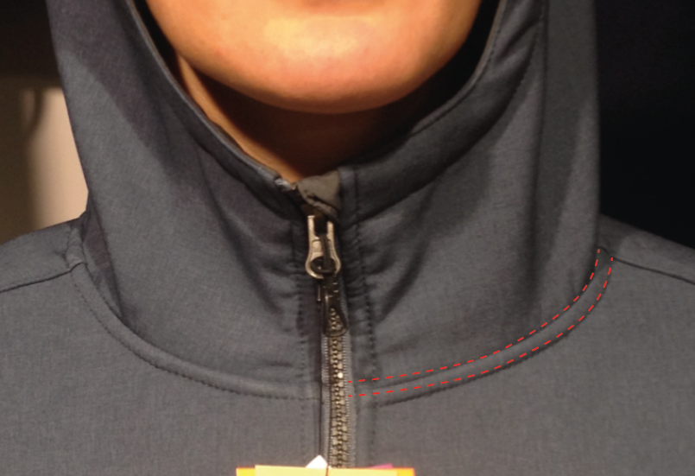
Comments on SMS the 03/01/2018
HANG TAG
Hang tag corporate & windactive must be small # HT-394082-E & HT-396073-E

QUALITY
Neckline seam right and left side should be symetrical with the center of the zipper, improve
All the topstitching should be at 3 mm

MEASURES
Improve measures in yellow on chart above
Front breadth should measures 38cm i/o 37cm on SMS, increase by 1cm
Shoulder lenght should measures 11,5cm i/o 10cm on SMS, increase by 1,5cm
Back breadth should measures 39,5cm i/o 36cm on SMS, increase by 3,5cm
Front neck depht should measure 8cm i/o 7cm on SMS, increase by 1cm

COLORS

NORTH SEA 8604
Modify the color of cord puller ref ZP072-E |  |  |  | >> the new color is NORTH SEA
Modify the color of the Embroidery LAFUMA 60mm |  |  |  | >> the new color is MING SHANG 30061
Modify the color of the Embroidery LEAF 20mm |  |  |  | >> the new color is MING SHANG 30061

ASPHALTE 7523
Modify the color of the Embroidery LAFUMA 60mm |  |  |  | >> the new color is MING SHANG 40013
Modify the color of the Embroidery LEAF 20mm |  |  |  | >> the new color is MING SHANG 40013

OK BULK FOLLOWING THESE COMMENTS

DETAILS OUTER JKT 1
 |  | DETAILS OUTER JKT |  |  |  | WINTER 2018/19
LFV11494 (10844 FW17/18) |  |  | LD MACHABY SOFTSHELL |  |  | INDEX | VI BULK
DATE | 2020-01-03 |  |  | DEVELOPPER: | Marjorie | SUPPLIER : |  | PRIMA CHANNEL

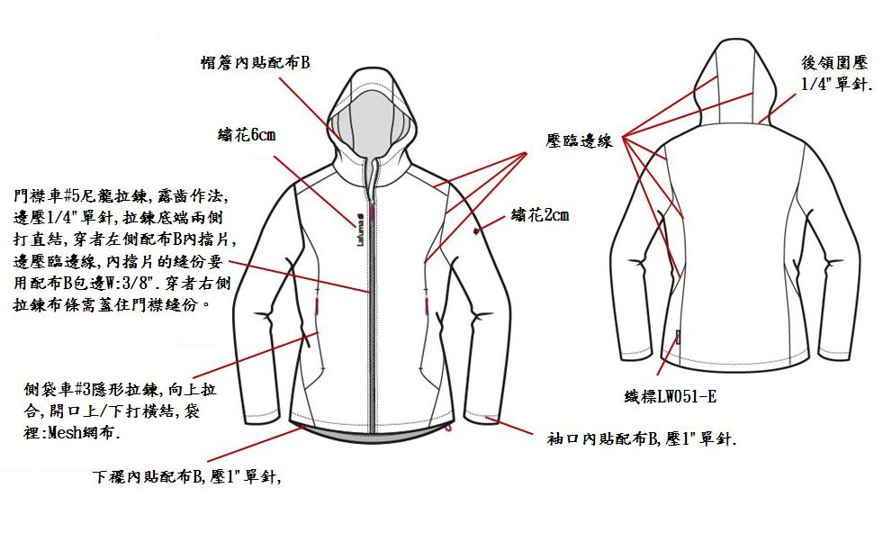

塑鋼

DETAILS INSIDE JKT
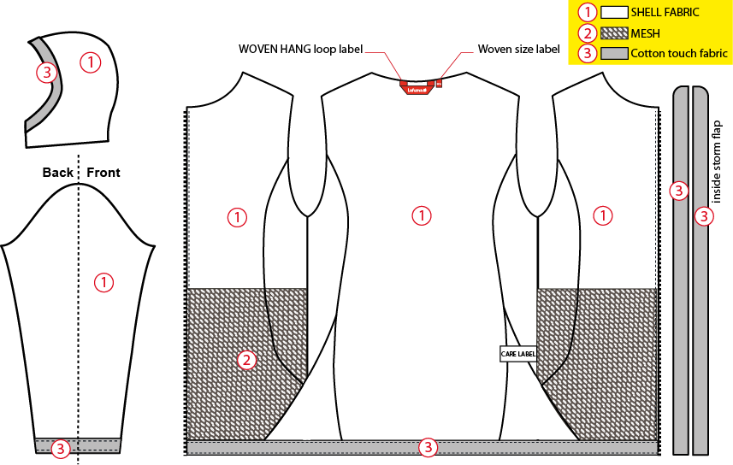
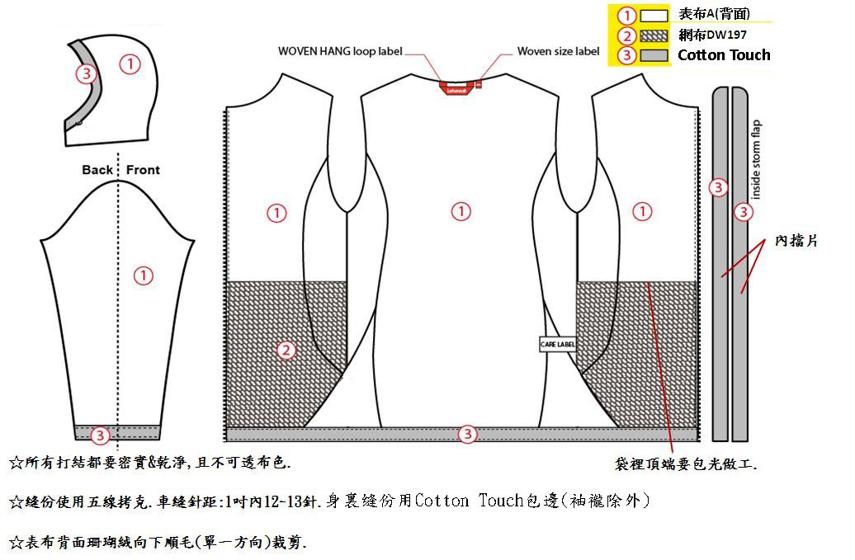
 |  | DETAILS INSIDE JKT |  |  |  | WINTER 2018/19
LFV11494 (10844 FW17/18) |  |  | LD MACHABY SOFTSHELL |  |  | INDEX | VI BULK
DATE | 2020-01-03 |  |  | DEVELOPPER: | Marjorie | SUPPLIER : |  | PRIMA CHANNEL

COLOR SKETCH
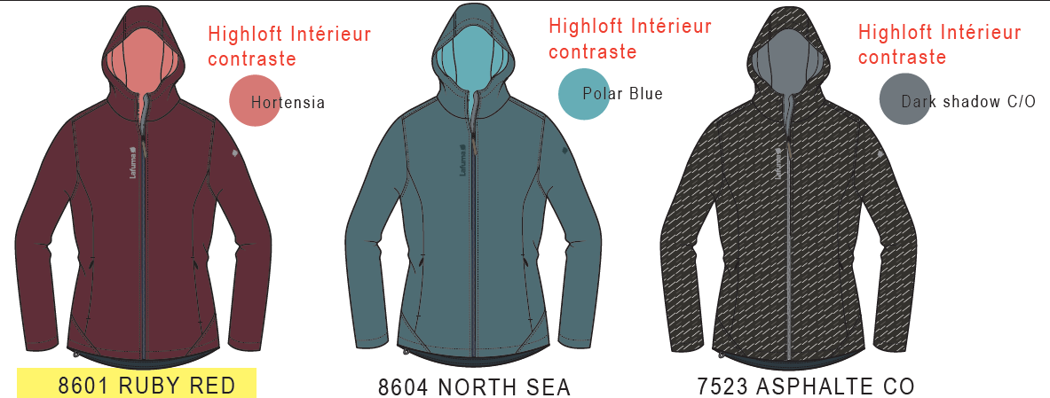
 |  | COLOR SKETCH |  |  |  | WINTER 2018/19
LFV11494 (10844 FW17/18) |  |  | LD MACHABY SOFTSHELL |  |  | INDEX | VI BULK
DATE | 2020-01-03 |  |  | DEVELOPPER: | Marjorie | SUPPLIER : |  | PRIMA CHANNEL

COLOR COMBINATION
 |  | COLOR COMBINATION |  |  |  |  |  |  |  | WINTER 2018/19
LFV11494 (10844 FW17/18) |  |  |  |  | LD MACHABY SOFTSHELL |  |  |  |  | INDEX | VI BULK
DATE | 2020-01-03 |  |  |  | DEVELOPPER: |  | Marjorie |  |  | SUPPLIER : |  |  | PRIMA CHANNEL
FABRIC |  |  |  | SUPPLIER |  |  | ASPHALTE 7523 | RUBY RED 8601 | NORTH SEA 8604
SHELL 1 DT-1598 |  |  |  | DRYTEX | BODY |  | ASPHALTE | PORT ROYAL | NORTH SEA
COTTON TOUCH FABRIC |  |  |  | LOCAL | FULL STORM FLAP BOTTOM, BOTTOM SLEEVES & HOOD FINISHING |  | DARK SHADOW 19-3906 TCX colour should match the backing | DARK SHADOW 19-3906 TCX | DARK SHADOW 19-3906 TCX
POLYESTER MESH |  |  |  | LOCAL | POCKET BAG |  | DARK SHADOW 19-3906 TCX colour should match the backing | DARK SHADOW 19-3906 TCX | DARK SHADOW 19-3906 TCX
NON WOVEN |  |  |  | LOCAL | EMBROIDERIES BACKSIDE +STORM FLAP |  | STANDARD | STANDARD | STANDARD
TRIMMING AND ACCESSORIES
 | DESCRIPTION |  | REF | SUPPLIER | DESIGNATION | QTY | ASPHALTE | PORT ROYAL | NORTH SEA | XS | S | M | L | XL | XXL
Zipper VISLON # 5 1WAY - separable - autolock |  |  |  | MAX zipper | 1x Front zip | 1 | TAPE : 156 TEETH : DARK NICKEL | TAPE : 864 TEETH : DARK NICKEL | TAPE : 118 TEETH : DARK NICKEL
Zipper INVISIBLE #3 1WAY - NON separable - non lock - drop puller SN31WMA |  |  |  | MAX zipper | 2x HANDS Pocket | 2 | 156 | 864 | 118
cord puller |  |  | ZP072-E | DRAGON TIMES | 1x Front zipper | 1 | BLACK | BLACK | NORTH SEA
MARKING
Embroidery LAFUMA 60mm |  |  |  | LOCAL / MING SHANG | Right top front | 1 | 40013 | F196 | 30061
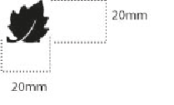 Embroidery LEAF 20mm |  |  |  | LOCAL / MING SHANG | Left top sleeve | 1 | 40013 | F196 | 30061
LABELS
WOVEN LABEL WINDACTIVE |  |  | LW051-E | TRIPLE STAR | Bottom left back | 1 | BLACK
 LAFUMA LABELS |  |  | LW034-E | SML | Neckline / centered | 1 | ORANGE
SIZE WOVEN LABEL MMG ALPHA WOMEN /TOP |  |  | LWS18-04 | SML | Neckline / centered | 1 | STANDARD
Care Label & P.O. Label |  |  | LC011-E | SML | left side seam | 1 | WHITE satin
HANG TAG
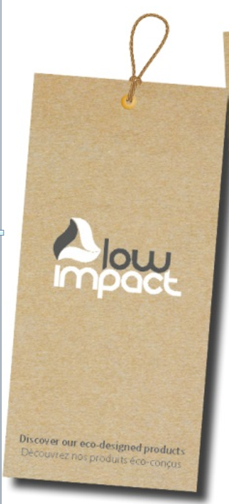 HANG TAG LOW IMPACT |  |  | SMALL HT394299-E | Triple star |  | 1 | STANDARD
 HANGTAG LAFUMA CORPORATE |  |  | SMALL HT-394082-E | TRIPLE STAR | LEFT SIDE POCKET ZIPPER | 1 | STANDARD
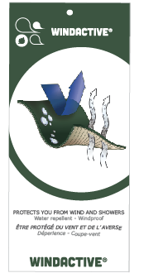 HANGTAG LAFUMA WINDACTIVE |  |  | SMALL HT-396073-E | TRIPLE STAR | Insert on corporate Hang tag | 1 | STANDARD
HANG TAG PFC FREE |  |  | HT394145-E | TRIPLE STAR |  | 1 | STANDARD
 GENCODE STICKER |  |  |  | LOCAL |  | 2
SILICA GEL DMF U FREE 5gr |  |  |  | LOCAL |  | 1
 POLYBAG |  |  |  | LOCAL |  | 1
 |  |  |  | LOCAL |  | 1

MARKING
 |  |  | MARKING |  |  |  | WINTER 2018/19
LFV11494 (10844 FW17/18) |  | LD MACHABY SOFTSHELL |  |  |  |  | INDEX | VI BULK
DATE | 2020-01-03 |  | DEVELOPPER: | Marjorie |  |  | SUPPLIER : |  | PRIMA CHANNEL
DESIGNATION |  |  |  |  |  | POSITION
LAFUMA+楓葉繡花6cm
穿者右前胸領圍下8cm
距外擋風片1.5cm
EMBROIDERY LAFUMA 60mm |  |  |  |  | 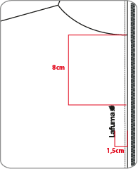 RIGHT TOP FRONT * VERTICAL POSITION : 8 cm from neckline * ALONG FRONT ZIPPPER SEAM: 1,5 cm from front flap
楓葉繡花2cm
穿者左袖肩點下8cm
 EMBROIDERY LEAF 20mm |  |  |  |  | LEFT TOP SLEEVE * CENTRED: 8cm from top sleeve |  | 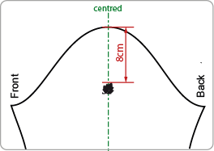
穿者左後脇邊下襬上7cm。
WINDACTIVE WOVEN LABEL |  |  |  |  | BACK LEFT SIDE * INSERT ON SIDE SEAM SEAM 7cm from bottom

JACKET SKETCH MEASUREMENTS
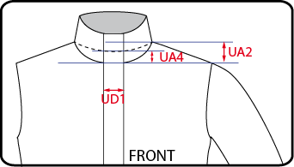
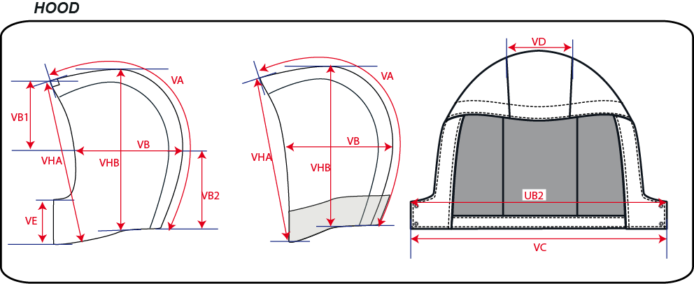
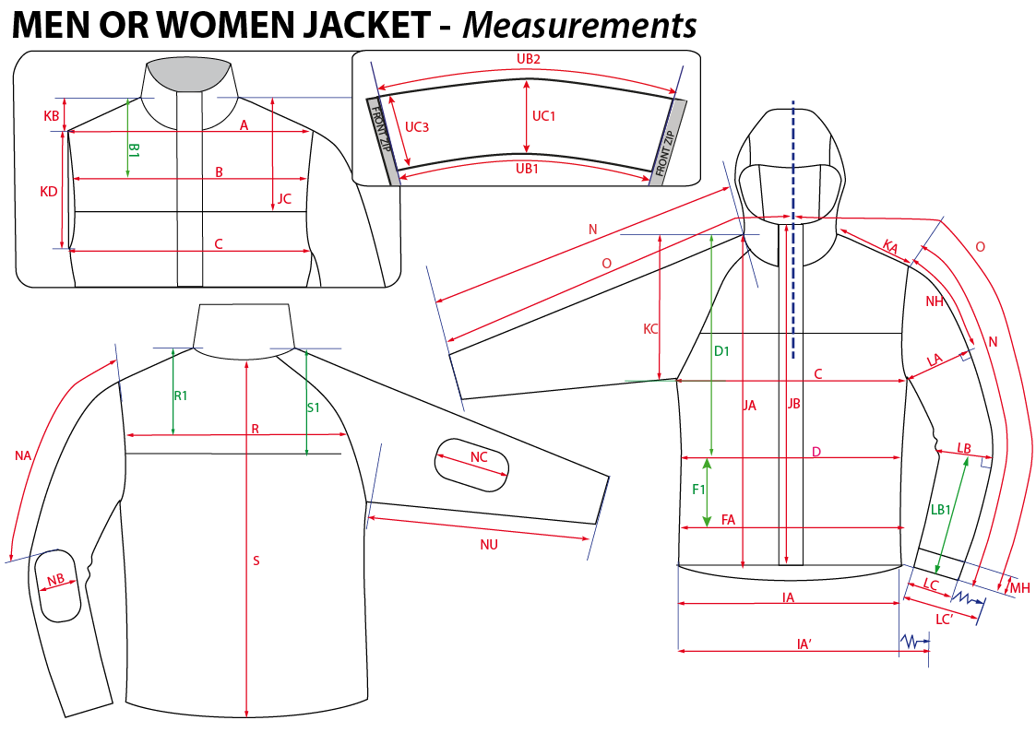
 |  | HOW TO TAKE MEASUREMENTS |  |  | WINTER 2018/19
LFV11494 (10844 FW17/18) |  | LD MACHABY SOFTSHELL |  |  |  | INDEX | VI BULK
DATE | 2020-01-03 |  | DEVELOPPER: | Marjorie | SUPPLIER : |  | PRIMA CHANNEL

HANG TAGS
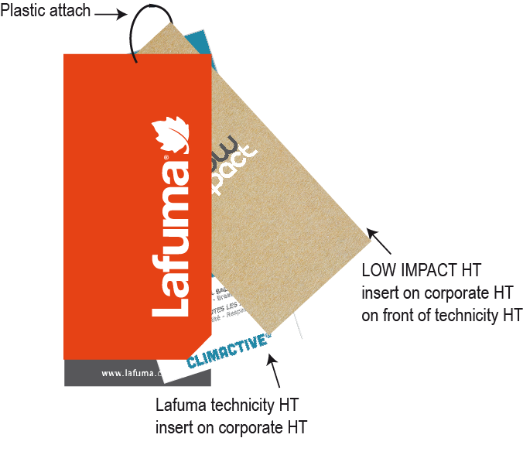
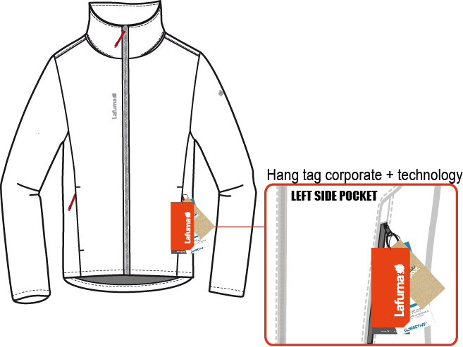
 |  | HOW TO ATTACH HANG TAGS |  |  | WINTER 2018/19
LFV11494 (10844 FW17/18) |  | LD MACHABY SOFTSHELL |  |  |  | INDEX | VI BULK
DATE | 2020-01-03 |  | DEVELOPPER: | Marjorie | SUPPLIER : |  | PRIMA CHANNEL

